EHS WEEKLY CHECKLIST
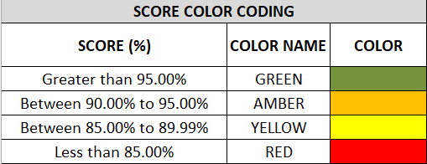
UAE Logistics EHS Weekly Checklist Owner/Department: UAE IBU- Logistics
DATE |  | FACILITY

GENERAL EHS | CRITERIA | COMPLIANCE SCORE 3: EXCELLENT - 2: GOOD - 1: POOR |  |  | COMMENTS
 |  | 3 | 2 | 1
 | Is the EHS policy, emergency contacts and first aiders displayed and communicated?
 | Are all incidents reported (if any)?
 | Is the security officer maintaining the visitor logs?
 | Is PPE available, clean, and used by all the staff?
 | Are outside parking areas and assembly points clean, free from clutter, and not used for storage or waste?
 | Is the CCTV clear and visible to the security officer?
 | Is pest-control performed as per schedule?
 | Are emergency exit doors accessible only from inside the warehouse?
 | Are first aid kits available in the offices and the warehouse and not expired?

WAREHOUSE | Are aisles, exits, evacuation routes clear?
 | Is housekeeping properly maintained in the facilty?
 | Are electrical panels, lighting, and emergency lights functional and unobstructed?

OFFICES | Are workstations ergonomic, with no cable hazards and adequate lighting?
 | Are the offices clean and safely organized?
 | Are emergency exits unobstracted and visible to everyone?

PANTRY | Is the pantry clean, pest-free, and appliances clean/functional?
 | Are food and beverages properly stored, with no leaks or slippery floors?
 | Are waste bins with lids emptied regularly, and ventilation adequate?

WASHROOMS | Are washrooms clean, hygienic, and well-ventilated?
 | Are all fixtures functional, with soap and tissues available?
 | Is the cleaning schedule displayed and followed?

ELEVATOR | Is the elevator inspected, certified, and emergency button functional?
 | Is the elevator clean?

TERRACE | Are doors kept closed for AC efficiency?
 | Is the terrace clean?
 | Are railings secure and rigid?

STAIRCASE | Are railings secure and rigid?
 | Is the staircase clean?
 | Are stairs well-lit, free from obstacles, and emergency doors path clear?

MATERIAL HANDLING EQUIPMENT | Were the stacker/forklift visually inspected and maintenance records checked?
 | Are stackers/forklifts parked safely?
 | Is the stackers/forklifts beacon light working and used?

FIRE SAFETY & EMERGENCY | Are fire extinguishers, hose reels, and detectors functional and inspected?
 | Are evacuation plans, routes, and assembly points clearly posted?
 | Is the fire panel clear and not displaying any fault zones?

AC & VENTILATIONS | Are AC systems cooling adequate, vents clear, doors closed?
 | Are AC systems working properly without any leakages?

RESULTS | EHS IN-CHARGE | ID NO. | SIGNATURE |  | SCORE
 |  |  |  |  | 0%
 | OVERALL COMMENTS

